Reconciliation Tab
 EAST COAST
 | 5294 Luther Garreth Drive, Toms, River, NJ 42043 eastcoast@email.com | 222-555-7777

Payroll Reconciliation |  | ADJUSTED BALANCE: |  | $42,000.00

DATE | DESCRIPTION | ADDITIONS | DEDUCTIONS | BALANCE
 |  | PAYROLL BALANCE: |  | $40,000.00
2050-03-13 | Wages $ Salaries Expense |  | $20,000.00 | $20,000.00
2050-03-18 | State Income Tax Withheld |  | $1,000.00 | $19,000.00
2050-03-20 | Salaries Payable | $25,000.00 |  | $44,000.00
2050-03-21 | Federal Income Tax Withheld |  | $800.00 | $43,200.00
2050-03-25 | Employee Health Insurance Payable |  | $1,200.00 | $42,000.00

Instructions
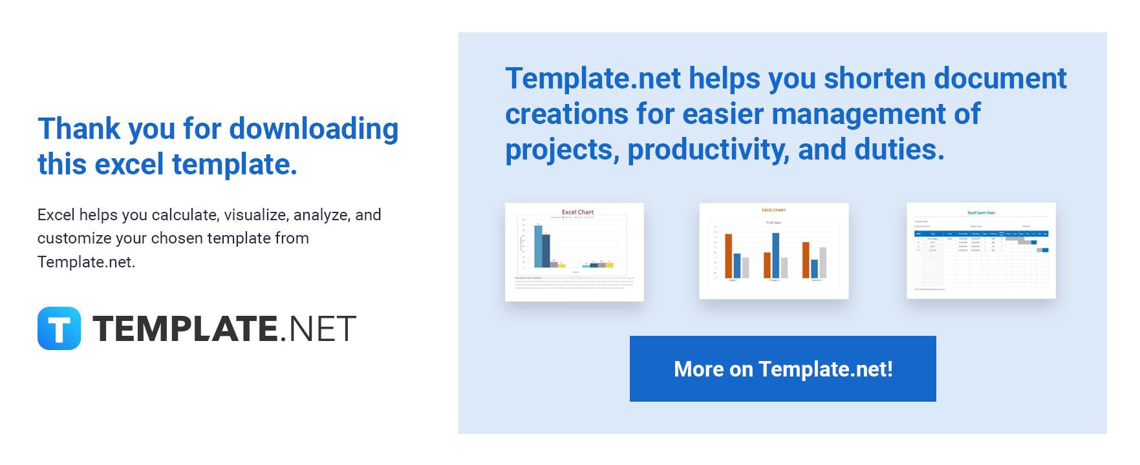

The following are instructions on how to use the template.

1. Edit or add content like inserting rows and columns to the template.
2. There are no locked-up cells for easier editing of cell names.
3. All text or numbers in bold are auto-formulated.
4. Red highlights in the cells are negative numbers. To remove the conditional formatting watch this | video clip.
5. Feel free to change any formula.

Should you need assistance, please contact our Customer Support Team using the chat box found on the website.

